Dashboard_Finale
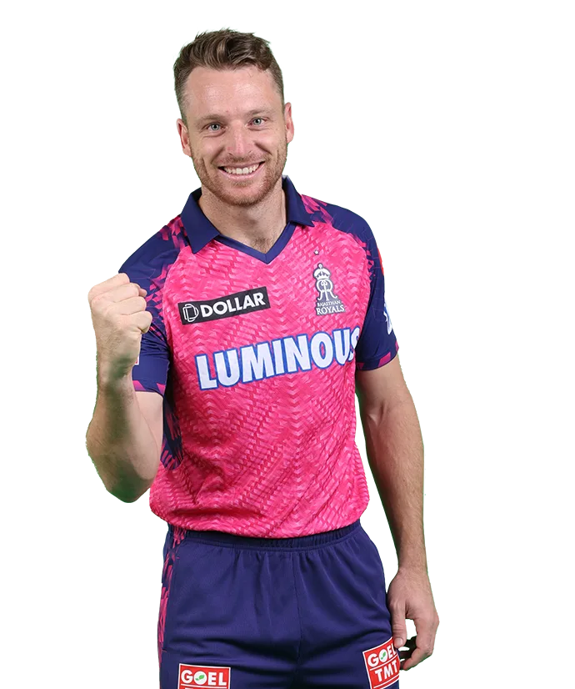
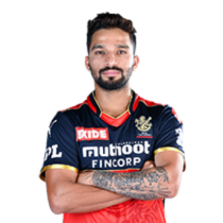
651
112
Highest Batting Avg
Orange Cap Winner
Runs
24,395K
Runs

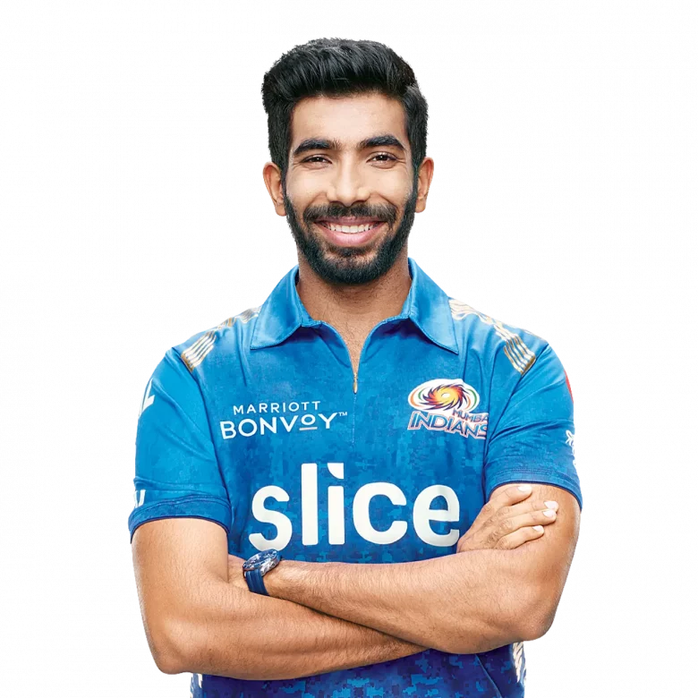
78
Centuries
Best Economy
17
Purple Cap
Wkts
4.7
Hunders
4
911
Wickets
Fifty's
74


IPL - 22
Winner
Qualified Teams Win Count
 | Count of won_by | Count of match_winner
Chennai | 2 | 2
Delhi | 1 | 1
Gujarat | 2 | 2
Hyderabad | 2 | 2
Kolkata | 1 | 1
Lucknow | 2 | 2
Mumbai | 1 | 1
Punjab | 2 | 2
Rajasthan | 3 | 3
Delhi | 1 | 1
Gujarat | 2 | 2
Hyderabad | 2 | 2
Kolkata | 1 | 1
Lucknow | 1 | 1
Mumbai | 2 | 2
Punjab | 2 | 2
Rajasthan | 1 | 1
Gujarat | 1 | 1
Hyderabad | 1 | 1
Kolkata | 2 | 2
Lucknow | 2 | 2
Mumbai | 2 | 2
Punjab | 2 | 2
Rajasthan | 2 | 2
Hyderabad | 2 | 2
Kolkata | 1 | 1
Lucknow | 1 | 1
Mumbai | 1 | 1
Punjab | 2 | 2
Rajasthan | 3 | 3

3,892K

Runs Scored By Boundaries

Defending
Champions

Runs Conceived By Venue
 | Sum of first_ings_score | Sum of second_ings_wkts
Brabourne Stadium, Mumbai | 2836 | 97
Dr DY Patil Sports Academy, Mumbai | 3414 | 127
Eden Gardens, Kolkata | 395 | 9
Maharashtra Cricket Association Stadium,Pune | 2229 | 100
Narendra Modi Stadium, Ahmedabad | 287 | 6
Wankhede Stadium, Mumbai | 3502 | 118
Top Scorer By Matches
 | Total
W. Saha | 190
Shubman Gill | 288
Shikhar Dhawan | 158
Quinton de Kock | 377
Liam Livingstone | 239
KL Rahul | 351
Jos Buttler | 651
Ishan Kishan | 180
Faf du Plessis | 257
David Warner | 213

Toss Probability Wins
 | Total
Bat | 15
Field | 59
Best Bowling Figures
 | Sum of Runs Concieved | Wickets Taken
Avesh Khan | 73 | 10
Jasprit Bumrah | 52 | 11
Josh Hazlewood | 96 | 10
Kagiso Rabada | 94 | 10
Kuldeep Yadav | 67 | 11
Rashid Khan | 102 | 11
Yuzvendra Chahal | 146 | 17

